Bivariate data - Example 6 pg28
 | Example 6 pg 283
 | A random sample of 12 students is taken to see whether there is a linear relationship
 | between height in cm (x) and shoe size (y). The data collected are shown in the table.

a) | Graph the data as a scatter plot
b) | Calculate the correlation of the data (round to 3 sig figs)
c) | Comment on the correlation (i.e. positively, negatively; strong, moderate, weak)
d) | Show the trendline and regression equation on the graph
e) | Complete the calculator below and use it to predict the shoe size of someone 163 cm tall.

 |  | Height (x cm) | 160 | 187 | 175 | 180 | 186 | 170 | 185 | 172 | 174 | 180 | 165 | 170
 |  | Shoe size (y) | 37 | 42 | 39 | 38 | 40 | 38 | 41 | 39 | 38 | 40 | 37 | 39
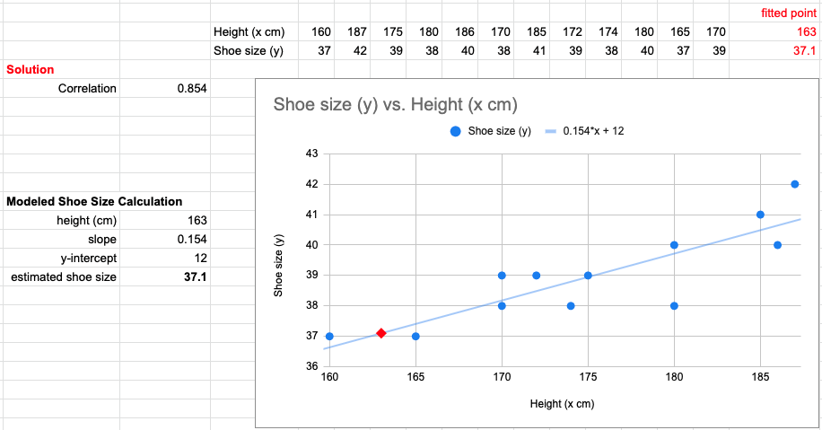

 | Modeled Shoe Size Calculation
 | height (cm)
 | slope
 | y-intercept
 | estimated shoe size

Frequency table
 | #5 on page 126
 | Students' scores on a memory test are shown in the table and graph.
a) | What is the modal score?
b) | How many students' scores are shown?
c) | Find the summary statistics listed below
Frequency vs. Score
 | maximim score
 | minimum score
 | median
 | mean

 |  | Score | Frequency
 |  | 2 | 1
 |  | 3 | 3
 |  | 4 | 6
 |  | 5 | 9
 |  | 6 | 12
 |  | 7 | 10
 |  | 8 | 5
 |  | 9 | 2
 |  | 10 | 2

